Sheet1
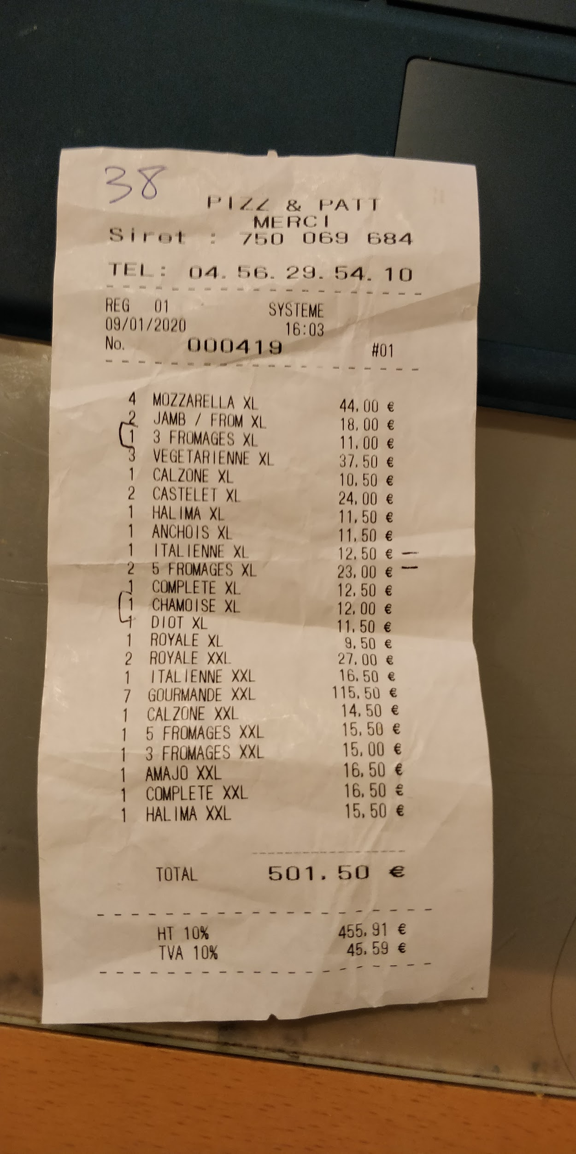
Names | Costs (Euros) | Paid? | Cost in pounds
Shen | 11 | y | 9.46
Abbie | 11 | y | 9.46
Alex T | 16.5 | y | 14.19
Mateo | 13.5 | y | 11.61
Herbie | 16.5 | y | 14.19
Richard | 16.5 | y | 14.19
Dominic | 16.5 | y | 14.19
Mikesh | 15 | y | 12.9
Katy | 12.5 | y | 10.75
Harry | 16.5 | y | 14.19
Jakub | 16.5 | y | 14.19
Ben | 16.5 | y | 14.19
Pippa | 11.5 | y | 9.89
Kiera | 12.5 | y | 10.75
Jamie | 13.5 | y | 11.61
Emma S | 11 | y | 9.46
Emma P | 9 | y | 7.74
Rob | 16.5 | y | 14.19
Sarah | 11.5 | y | 9.89
Hayerin | 12.5 | y | 10.75
Vincent | 9 | y | 7.74
Lucy | 10.5 | y | 9.03
Imogen | 11.5 | y | 9.89
Tara | 11 | n | 9.46 | y
Sammy | 15.5 | n | 13.33 | y
Arran C | 15.5 | n | 13.33 | y
Daniel Formston | 11 | n | 9.46 | y
Marry Osborn | 11.5 | n | 9.89 | y
Ollie O'brien | 16.5 | n | 14.19 | y
Thomas Adkins | 16.5 | n | 14.19 | y
Elizabeth Guest | 9.5 | n | 8.17 | y
Coach drivers 1 | 12 | y (club paid) | 10.32
Kate | 11.5 | y (club paid) | 9.89
Al | 11.5 | y (club paid) | 9.89
Coach driver 2 | 12 | y (club paid) | 10.32
Sandra | 11 | n | 9.46 | y
Lathan | 16.5 | n | 14.19 | y
Hannah | 12.5 | n | 10.75 | y

Paid | 307.5 |  | 264.45 | 239.16 | received due to exchange rate
Recieved in cash | 306.5 euros + £1
Still to be paid | 147 |  | 126.42 | All paid

 |  |  | 365.58 | £ received
 |  |  | 431.29 | Should have received

